DATA
No.1 | Table S11 | Installed Capacities in the secnario of peak carbon emissions in 2025 (GW)
 | 2020 | 2025 | 2030 | 2035 | 2040 | 2045 | 2050 | 2055 | 2060
Coal | 1079.1 | 1215.7 | 1227 | 1036.1 | 699.3 | 198.1 | 0 | 0 | 0
Gas | 99.7 | 139.4 | 188.8 | 220.3 | 231.5 | 161.1 | 48.1 | 0 | 0
Nuclear | 49.8 | 72.5 | 92.7 | 122.4 | 151.2 | 182.6 | 216.6 | 253.2 | 288.7
Hydro | 370.2 | 418.2 | 480.7 | 571.2 | 638 | 698.4 | 752.3 | 799.7 | 794
Wind | 281.6 | 404.3 | 583.7 | 816 | 1086.9 | 1396.8 | 1745.3 | 2066 | 2310
Solar PV | 253.5 | 432.2 | 618.1 | 897.6 | 1181.5 | 1504.2 | 1805.5 | 2132.7 | 2526.6
Biomass | 26.9 | 83.6 | 95.8 | 104.4 | 109.1 | 109.5 | 105.3 | 98.6 | 144.3
Coal CCS | 0 | 0 | 136.3 | 259 | 466.2 | 792.6 | 792.6 | 594.4 | 416.1
NGCCS | 0 | 0 | 0 | 24.4 | 99.2 | 241.7 | 433.3 | 546.5 | 454.7
BECCS | 0 | 0 | 10.6 | 26.1 | 46.7 | 73 | 105.3 | 147.9 | 216.5

percentage
 | 2020 | 2025 | 2030 | 2035 | 2040 | 2045 | 2050 | 2055 | 2060
Coal CCS | 0 | 0 | 0.099977994572 | 0.19998455718 | 0.4 | 0.80004037549 | 1 | 1 | 1
NGCCS | 0 | 0 | 0 | 0.099713935431 | 0.29996976111 | 0.60004965243 | 0.90008309098 | 1 | 1
BECCS | 0 | 0 | 0.09962406015 | 0.2 | 0.29974326059 | 0.4 | 0.5 | 0.6 | 0.60005543237

No.2 | The emission factors of waste and biomass are the same, and the capture effect of CCS is the same, so it is assumed that the permeability is the same here

No.3 | Figure 1-4 |  |  |  |  | No.5
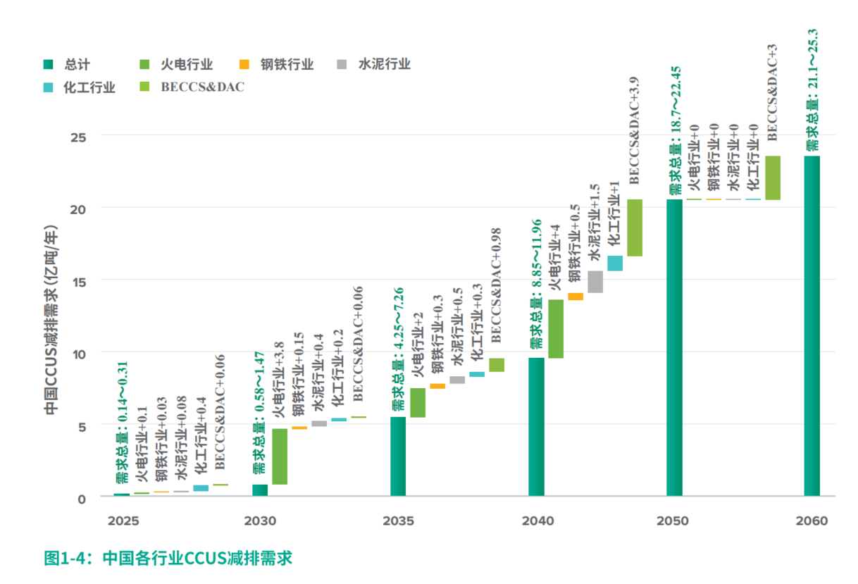
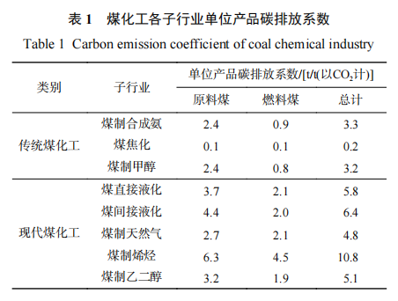
 |  |  |  |  |  |  |  |  |  |  |  |  | 过程 | 燃料 | Total
 |  |  |  |  |  |  |  |  |  |  |  | no1 | 2.4 | 0.9 | 3.3
 |  |  |  |  |  |  |  |  |  |  |  | no2 | 0.1 | 0.1 | 0.2
 |  |  |  |  |  |  |  |  |  |  |  | no3 | 2.4 | 0.8 | 3.2
 |  |  |  |  |  |  |  |  |  |  |  | no4 | 3.7 | 2.1 | 5.8
 |  |  |  |  |  |  |  |  |  |  |  | no5 | 4.4 | 2 | 6.4
 |  |  |  |  |  |  |  |  |  |  |  | no6 | 2.7 | 2.1 | 4.8
 |  |  |  |  |  |  |  |  |  |  |  | no7 | 6.3 | 4.5 | 10.8
 |  |  |  |  |  |  |  |  |  |  |  | no8 | 3.2 | 1.9 | 5.1
 |  |  |  |  |  |  |  |  |  |  |  | Total | 25.2 | 14.4 | 0.63636363636

 |  |  |  |  |  | According No.3 and No.4 and No.5
 |  |  |  |  |  | Chemical
 |  |  |  |  |  |  | 2025 | 2030 | 2035 | 2040 | 2045 | 2050 | 2055 | 2060
 |  |  |  |  |  | Total | 0.05 | 0.45 | 0.65 | 0.95 | 1.95 | 1.95 | 1.95 | 1.95
 |  |  |  |  |  | process | 0.03 | 0.29 | 0.41 | 0.60 | 1.24 | 1.24 | 1.24 | 1.24
 |  |  |  |  |  | fuel | 0.02 | 0.16 | 0.24 | 0.35 | 0.71 | 0.71 | 0.71 | 0.71

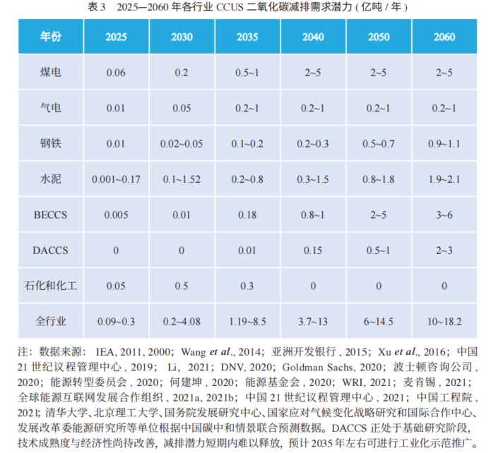
 |  |  |  |  |  | Emission from EPS BAU_mid |  | 20240829_China Mid BAU.xlsx
No.4 | Table 3 |  |  |  |  | Chemical | 2025 | 2030 | 2035 | 2040 | 2045 | 2050 | 2055 | 2060
 |  |  |  |  |  | process emission | 320818000000000 | 337779000000000 | 347003000000000 | 337368000000000 | 327556000000000 | 317553000000000 | 307559000000000 | 297554000000000
 |  |  |  |  |  | fuel emission | 71226.8 | 76712.1 | 79173.3 | 78610.3 | 76951.7 | 74811.9 | 72580.4 | 70355.5

 |  |  |  |  |  | percentage-chemical
 |  |  |  |  |  |  | 2025 | 2030 | 2035 | 2040 | 2045 | 2050 | 2055 | 2060
 |  |  |  |  |  | process | 0.0099178293669 | 0.08477840137 | 0.11920253244 | 0.17919466415 | 0.37883876067 | 0.39077227767 | 0.40347025803 | 0.41703660207
 |  |  |  |  |  | fuel | 0.0025526653144 | 0.021331232444 | 0.029853957883 | 0.043945201259 | 0.092147530086 | 0.094783170738 | 0.097697299697 | 0.10078684809

 |  |  |  |  |  | According No.3
 |  |  |  |  |  | Iron
 |  |  |  |  |  |  | 2025 | 2030 | 2035 | 2040 | 2045 | 2050 | 2055 | 2060
 |  |  |  |  |  | Total | 0.01 | 0.05 | 0.2 | 0.3 |  | 0.7 |  | 1.1
 |  |  |  |  |  | process | 0.65 | 0.65 | 0.65 | 0.65 | 0.65 | 0.65 | 0.65 | 0.65
 |  |  |  |  |  | fuel | 0.35 | 0.35 | 0.35 | 0.35 | 0.35 | 0.35 | 0.35 | 0.35
 |  |  |  |  |  |  |  |  |  |  |  |  |  |  |  | 0.65296803653
 |  |  |  |  |  | Emission from EPS BAU_mid |  | 20240829_China Mid BAU.xlsx |  |  |  |  |  |  |  | 0
 |  |  |  |  |  | iron | 2025 | 2030 | 2035 | 2040 | 2045 | 2050 | 2055 | 2060
 |  |  |  |  |  | process emission | 201400000000000 | 195500000000000 | 181900000000000 | 158400000000000 | 140800000000000 | 123200000000000 | 113400000000000 | 109500000000000
 |  |  |  |  |  | fuel emission | 154794 | 164237 | 160673 | 147509 | 130045 | 115651 | 99924.5 | 89145.6

 |  |  |  |  |  | percentage-iron
 |  |  |  |  |  |  | 2025 | 2030 | 2035 | 2040 | 2045 | 2050 | 2055 | 2060
 |  |  |  |  |  | process | 0.003227408143 | 0.016624040921 | 0.071467839472 | 0.12310606061 |  | 0.36931818182 |  | 0.65296803653
 |  |  |  |  |  | fuel | 0.00022610695505 | 0.0010655333451 | 0.0043566747369 | 0.0071182097364 |  | 0.021184425556 |  | 0.04318777371

No.6 | European data |  | GTAP data
 | 2021 year |  | 56 CementLime | 222.667608
Cement production | 819291.2 |  | 57 CmtLimePrds | 61.44794
Lime production | 232500 |  | 58 BrickStone | 165.464773
Glass Production | 1414.9898006 |  | 59 Glass | 10.73589
Other Process Uses of Carbonates | 36400.157764 |  | 60 China | 34.381569
 |  |  | 61 Fireproof | 7.457463
process of cement in 239 | 0.96529467027 |  | 62 NMtlMinPr | 13.676616
fuel of cement in 239 | 0.55079100494

Cement | No.7 | Fig.8 (b)
 | 2030 | 2035 | 2040 | 2045 | 2050
Total | 0 | 64.574 | 120.18 | 179.372 | 234.977
process | 0 | 43.049333333 | 80.12 | 119.58133333 | 156.65133333
fuel | 0 | 21.524666667 | 40.06 | 59.790666667 | 78.325666667

Emission from EPS BAU_mid |  | 20240829_China Mid BAU.xlsx
iron | 2025 | 2030 | 2035 | 2040 | 2045 | 2050 | 2055 | 2060
process emission | 881226000000000 | 824970000000000 | 718692000000000 | 642398000000000 | 564803000000000 | 506578000000000 | 448072000000000 | 409219000000000
fuel emission | 137861 | 127608 | 113143 | 102496 | 90990 | 79389.9 | 70700.4 | 64622.9

percentage-cement
 | 2025 | 2030 | 2035 | 2040 | 2045 | 2050 | 2055 | 2060
process |  | 0 | 0.05405904463 | 0.11548836201 | 0.19284096808 | 0.28732749897
fuel |  | 0 | 0.030624689456 | 0.06428304136 | 0.10591065154 | 0.15628726671

No.8
Gas process | Fig.2 | (purple curve - green curve)/blue curve
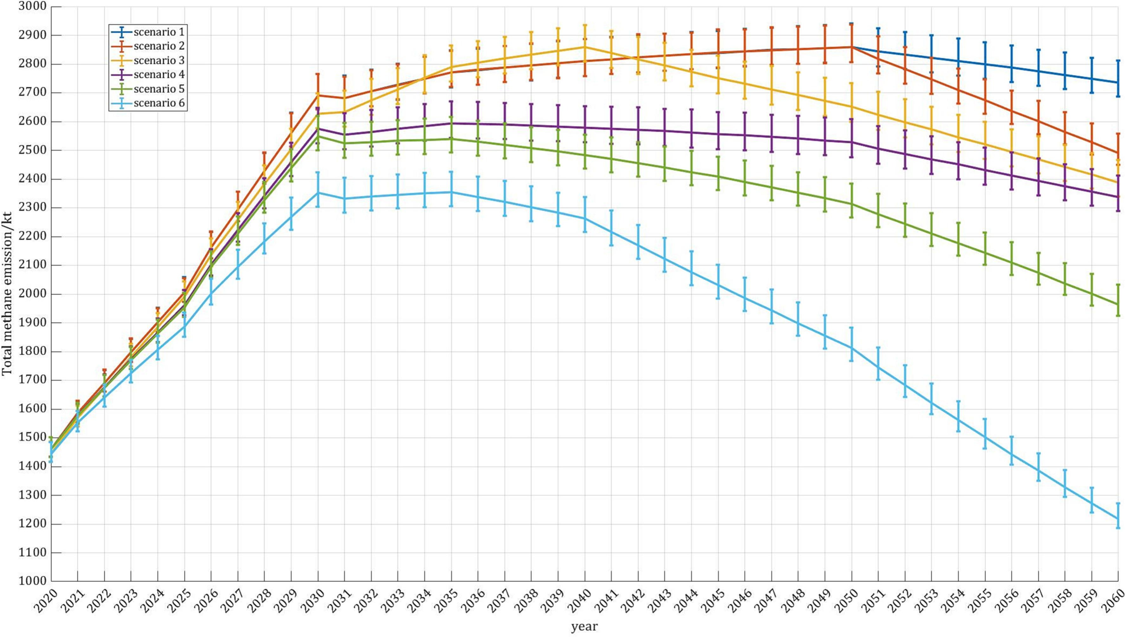

 | 2020 | 2025 | 2030 | 2035 | 2040 | 2045 | 2050 | 2055 | 2060
percentage | 0 | 0.0038383607063 | 0.010641499619 | 0.018667589948 | 0.033312930157 | 0.0519516179 | 0.074753341264 | 0.10670956398 | 0.15024335049

